BCO
Alkalmazott szűrők: Highlighted nem egyezik ezzel: (Üres) Arrival_date ekkori vagy későbbi a következőnél: 2026.03.23. 0:00:00 és dátuma korábbi, mint 2026.03.30. 0:00:00 Mandatory egyezik ezzel: Yes LSP egyezik ezzel: Maersk Service_Load egyezik ezzel: BCO Canceled_shipment egyezik ezzel: N

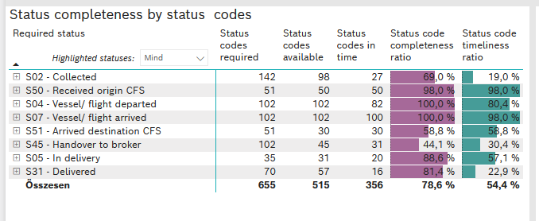
Required status | STATUS_TYPE | Service_Provider | Status codes required | Status codes available | Status codes in time | Status code completeness ratio | Status code timeliness ratio
S02 - Collected | Actual | 0000056066 - Maersk | 71 | 49 | 27 | 69.0 % | 38.0 %
S02 - Collected | Estimated | 0000056066 - Maersk | 71 | 49 | 0 | 69.0 % | 0.0 %
S50 - Received origin CFS | Actual | 0000056066 - Maersk | 51 | 50 | 50 | 98.0 % | 98.0 %
S04 - Vessel/ flight departed | Actual | 0000056066 - Maersk | 51 | 51 | 51 | 100.0 % | 100.0 %
S04 - Vessel/ flight departed | Estimated | 0000056066 - Maersk | 51 | 51 | 31 | 100.0 % | 60.8 %
S07 - Vessel/ flight arrived | Actual | 0000056066 - Maersk | 51 | 51 | 51 | 100.0 % | 100.0 %
S07 - Vessel/ flight arrived | Estimated | 0000056066 - Maersk | 51 | 51 | 49 | 100.0 % | 96.1 %
S51 - Arrived destination CFS | Actual | 0000056066 - Maersk | 51 | 30 | 30 | 58.8 % | 58.8 %
S45 - Handover to broker | Actual | 0000056066 - Maersk | 51 | 28 | 28 | 54.9 % | 54.9 %
S45 - Handover to broker | Estimated | 0000056066 - Maersk | 51 | 17 | 3 | 33.3 % | 5.9 %
S05 - In delivery | Actual | 0000056066 - Maersk | 35 | 31 | 20 | 88.6 % | 57.1 %
S31 - Delivered | Actual | 0000056066 - Maersk | 35 | 26 | 16 | 74.3 % | 45.7 %
S31 - Delivered | Estimated | 0000056066 - Maersk | 35 | 31 | 0 | 88.6 % | 0.0 %

FCL
Alkalmazott szűrők: Highlighted nem egyezik ezzel: (Üres) Arrival_date ekkori vagy későbbi a következőnél: 2026.03.23. 0:00:00 és dátuma korábbi, mint 2026.03.30. 0:00:00 Mandatory egyezik ezzel: Yes LSP egyezik ezzel: Maersk Service_Load egyezik ezzel: FCL Canceled_shipment egyezik ezzel: N
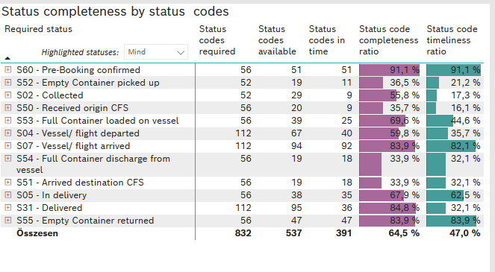
Required status | STATUS_TYPE | Service_Provider | Status codes required | Status codes available | Status codes in time | Status code completeness ratio | Status code timeliness ratio
S60 - Pre-Booking confirmed | Actual | 0000056066 - Maersk | 56 | 51 | 51 | 91.1 % | 91.1 %
S52 - Empty Container picked up | Actual | 0000056066 - Maersk | 52 | 19 | 11 | 36.5 % | 21.2 %
S02 - Collected | Actual | 0000056066 - Maersk | 52 | 29 | 9 | 55.8 % | 17.3 %
S50 - Received origin CFS | Actual | 0000056066 - Maersk | 56 | 20 | 9 | 35.7 % | 16.1 %
S53 - Full Container loaded on vessel | Actual | 0000056066 - Maersk | 56 | 39 | 25 | 69.6 % | 44.6 %
S04 - Vessel/ flight departed | Actual | 0000056066 - Maersk | 56 | 36 | 34 | 64.3 % | 60.7 %
S04 - Vessel/ flight departed | Estimated | 0000056066 - Maersk | 56 | 31 | 6 | 55.4 % | 10.7 %
S07 - Vessel/ flight arrived | Actual | 0000056066 - Maersk | 56 | 46 | 46 | 82.1 % | 82.1 %
S07 - Vessel/ flight arrived | Estimated | 0000056066 - Maersk | 56 | 48 | 46 | 85.7 % | 82.1 %
S54 - Full Container discharge from vessel | Actual | 0000056066 - Maersk | 56 | 19 | 18 | 33.9 % | 32.1 %
S51 - Arrived destination CFS | Actual | 0000056066 - Maersk | 56 | 19 | 18 | 33.9 % | 32.1 %
S05 - In delivery | Actual | 0000056066 - Maersk | 56 | 38 | 35 | 67.9 % | 62.5 %
S31 - Delivered | Actual | 0000056066 - Maersk | 56 | 48 | 29 | 85.7 % | 51.8 %
S31 - Delivered | Estimated | 0000056066 - Maersk | 56 | 47 | 7 | 83.9 % | 12.5 %
S55 - Empty Container returned | Actual | 0000056066 - Maersk | 56 | 47 | 47 | 83.9 % | 83.9 %

LCL
Alkalmazott szűrők: Highlighted nem egyezik ezzel: (Üres) Arrival_date ekkori vagy későbbi a következőnél: 2026.03.23. 0:00:00 és dátuma korábbi, mint 2026.03.30. 0:00:00 Mandatory egyezik ezzel: Yes LSP egyezik ezzel: Maersk Service_Load egyezik ezzel: LCL Canceled_shipment egyezik ezzel: N

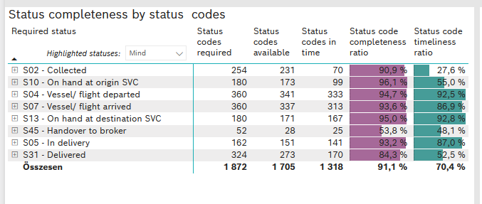
Required status | STATUS_TYPE | Service_Provider | Status codes required | Status codes available | Status codes in time | Status code completeness ratio | Status code timeliness ratio
S02 - Collected | Actual | 0000056066 - Maersk | 127 | 114 | 70 | 89.8 % | 55.1 %
S02 - Collected | Estimated | 0000056066 - Maersk | 127 | 117 | 0 | 92.1 % | 0.0 %
S10 - On hand at origin SVC | Actual | 0000056066 - Maersk | 180 | 173 | 99 | 96.1 % | 55.0 %
S04 - Vessel/ flight departed | Actual | 0000056066 - Maersk | 180 | 169 | 167 | 93.9 % | 92.8 %
S04 - Vessel/ flight departed | Estimated | 0000056066 - Maersk | 180 | 172 | 166 | 95.6 % | 92.2 %
S07 - Vessel/ flight arrived | Actual | 0000056066 - Maersk | 180 | 168 | 168 | 93.3 % | 93.3 %
S07 - Vessel/ flight arrived | Estimated | 0000056066 - Maersk | 180 | 169 | 145 | 93.9 % | 80.6 %
S13 - On hand at destination SVC | Actual | 0000056066 - Maersk | 180 | 171 | 167 | 95.0 % | 92.8 %
S45 - Handover to broker | Actual | 0000056066 - Maersk | 26 | 14 | 11 | 53.8 % | 42.3 %
S45 - Handover to broker | Estimated | 0000056066 - Maersk | 26 | 14 | 14 | 53.8 % | 53.8 %
S05 - In delivery | Actual | 0000056066 - Maersk | 162 | 151 | 141 | 93.2 % | 87.0 %
S31 - Delivered | Actual | 0000056066 - Maersk | 162 | 124 | 33 | 76.5 % | 20.4 %
S31 - Delivered | Estimated | 0000056066 - Maersk | 162 | 149 | 137 | 92.0 % | 84.6 %

